Y1
TARGET: |  | ACT'L | - | VARIANCE: | - |  | Inflation Rate | 1.030 | 199,300 | <-NIHCAP | ME Proposal Fact Sheet
DETAILED BUDGET - NIH Grants Year 1 |  |  |  |  |  |  | FROM | THROUGH
 |  |  |  |  |  |  |  |  |  |  | NIH salary cap
01 SALARIES AND BENEFITS : Start salary inflation in year 1 |  |  |  |  |  |  | DOLLAR AMOUNT REQUESTED |  |  |  | NOTE: | Annual | Monthly | Effective
NAME | ROLE ON PROJECT | Appt Type | EFFORT/month | Person Months | Annual IBS =UW+UWP+ADS | NIH-Adjusted Salary | SALARY REQUESTED | FRINGE BENEFITS | TOTALS | Benefit Rate | NIH salary cap | 199,300 | 16,608 | 2021-01-03
 |  | 12 | 100.00% | 12.00 | $0 | $0 | $- | $- | $- | 0.00%
 |  | 12 | 0.00% |  |  | $0 | $- | $- | $- | 0.00% | RA Salary: Please apply 3% inflation starting YR1 |  |  |  |  | NRSA Postdoc |  | NOT-OD-21-049: Ruth L. Kirschstein National Research Service Award (NRSA) Stipends, Tuition/Fees and Other Budgetary Levels Effective for Fiscal Year 2021 (nih.gov)
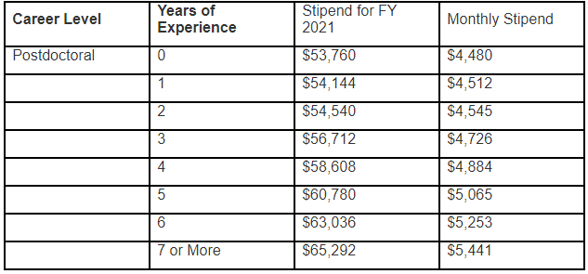
 |  | 12 | 0.00% |  |  | $0 | $- | $- | $- | 0.00% | 2021-22-TA-RA-SA_salary_chart.pdf (uw.edu)
 |  | 12 | 0.00% |  |  | $0 | $- | $- | $- | 0.00% | Academic Level (Half-Time (50% FTE) Monthly Rates) |  | 7/1/2021- | 7/1/2022-
 |  | 12 | 0.00% |  |  | $0 | $- | $- | $- | 0.00% |  |  | 06/30/22 | 06/30/23
 |  | 12 | 0.00% |  |  | $0 | $- | $- | $- | 0.00% | RA, 01-40 (Entering Program) |  | 2,510 | 2,585
 |  | 12 | 0.00% |  |  | $0 | $- | $- | $- | 0.00% | PreDoc RA I, 01-40 (Masters Completed) |  | 2,698 | 2,779
 |  | 12 | 0.00% |  |  | $0 | $- | $- | $- | 0.00% | PreDoc RA II, 01-40 (Passed General exam) |  | 2,899 | 2,986
 |  | 12 | 0.00% |  |  | $0 | $- | $- | $- | 0.00%
 |  |  |  |  |  |  | $- | $- | $-
02 CONSULTING SERVICE: |  |  |  |  |  |  |  |  |  |  | Fringe Benefit Load Rate |  | Fringe Benefit Load Rate | Financial Reporting (uw.edu)
 |  |  |  |  |  |  |  | - |  |  | Salary Titles | Object Codes | Current Rates |  |  |  | Budgeted inflation of 3% for salaries and benefits & 5% for tuition
 |  |  |  |  |  |  |  | - |  |  | Instruction and Research Faculty | 01-10 | 23.20%
 |  |  |  |  |  |  |  | - | - |  | Graduate student appointments | 01-30 & '01-40 | 21.60%
03 OTHER EXPENSES (Facilities/lab fees; publications, etc.) |  |  |  |  |  |  |  |  |  |  | Classified staff | 01-60 | 37.30%
 |  |  |  |  |  |  |  | - |  |  | Professional staff | 01-70 | 29.40%
 |  |  |  |  |  |  |  | - |  |  | Hourly, Visiting Scientists, and O.T. | 01-80 | 20.40%
 |  |  |  |  |  |  |  | - |  |  | Pre-doctoral Fellows and Trainees | 01-90 | 21.60%
 |  |  |  |  |  |  |  | -
 |  |  |  |  |  |  |  | - |  |  | Tuition: Please apply 5% inflation rate
 |  |  |  |  |  |  |  | - | - |  | Graduate Tuition Dashboard | Office of Planning & Budgeting (washington.edu)
04 TRAVEL: |  |  |  |  |  |  |  |  |  |  | Academic & Summer Tuition :
 |  |  |  |  |  |  |  | - |  |  |  |  | ME |  | CivilE / MSE
 |  |  |  |  |  |  |  | - |  |  | Tuition break down |  | Academic Q | Summer Q | Academic Q | Summer Q
 |  |  |  |  |  |  |  | - |  |  | Operating fee (10-18 credits): |  | 6,151 | 1,810 | 6,151 | 1,810
 |  |  |  |  |  |  |  | - | - |  | Building Fee: |  | 191 | - | 191 | -
05 SUPPLIES/MATERIALS (any single item costs less than ~$4,400+shipping+sales tax) |  |  |  |  |  |  |  |  |  |  | Tech fee |  | 38 | 11 | 38 | 11
 |  |  |  |  |  |  |  |  |  |  | U-pass fee |  | 92 | 92 | 92 | 92
 |  |  |  |  |  |  |  |  |  |  | TOTAL: |  | 6,472 | 1,913 | 6,472 | 1,913

 |  |  |  |  |  |  |  |  |  |  | IDC rate: Updated by OSP as of 09/30/2020
 |  |  |  |  |  |  |  |  |  |  | On-campus F&A rates |  |  | South Lake Union F&A rates
 |  |  |  |  |  |  |  |  |  |  | 7/01/2021-6/30/2022 | 55.5% |  | 7/01/2021 -6/30/2022 | 76.5%
 |  |  |  |  |  |  |  |  | - |  | Off-campus F&A rates
06 EQUIPMENT (equipment over $5,000 per item) |  |  |  |  |  |  |  |  |  |  | 7/01/2021-6/30/2022 | 26%

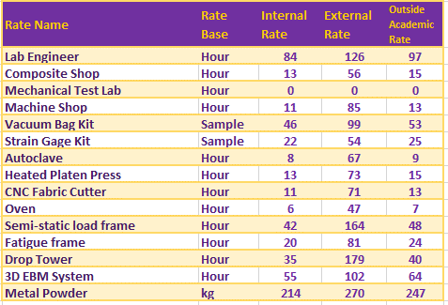
 |  |  |  |  |  |  |  |  |  |  | ME Recharge Center Rates effective 7/1/2020 |  |  |  | **IF NIH Modular, this should be divisible by $25K, Less than $250K per year limit
 |  |  |  |  |  |  |  |  | - |  | Rates | Mechanical Engineering (washington.edu)
08 Tution (Student operating fees) 5% inflation |  |  | Quaterly | # of Qtrs | # of RAs
Academic year fees (A, W, and Spring) |  |  | 6,472.00 |  |  |  |  | $-
Summer tuition fee (2 credits) |  |  | 1,913.00 |  |  |  |  | $- | 0 |  |  |  |  |  | ***Add $25K in YR1 if there is a subcontract; the first $25K of the subcontract is subject to indirect costs. If multiple subcontract, add $25K for each subcontracts
SUBTOTAL DIRECT COSTS FOR INITIAL BUDGET PERIOD |  |  |  |  |  |  |  |  | -
 | Subcontract Direct Costs :
 | Subcontract Direct Costs :
SUBTOTAL WITH SUBCONTRACT DIRECT COSTS FOR INITIAL BUDGET PERIOD |  |  |  |  |  |  |  |  | -
 | Subcontract Indirect Costs
 | Subcontract Indirect Costs
TOTAL DIRECT COSTS FOR INITIAL BUDGET PERIOD |  |  |  |  |  |  |  |  | -
 | MTDC Base |  |  |  |  |  |  | -
 | F&A Rate | 55.5% |  |  |  |  |  | -
TOTAL COSTS FOR INITIAL BUDGET PERIOD |  |  |  |  |  |  |  |  | -

 |  |  |  |  |  |  |  |  |  |  | SLU fees
 |  |  |  |  |  |  |  |  |  |  | Shared Equipment Cost Center fee |  | 0.88% on DC (exclude Subcontract amount)
 |  |  |  |  |  |  |  |  |  |  | Core Fee (Lab service) |  | $60/m. Lab Services (glass wash, autoclaving, biowaste and sharps disposal, CO2), there are per unit fees

