Y1
TARGET: |  | ACT'L | - | VARIANCE: | - |  | Inflation Rate | 1.030 | 199,300 | <-NIHCAP | ME Proposal Fact Sheet
DETAILED BUDGET - NIH Grants Year 1 |  |  |  |  |  |  | FROM | THROUGH
 |  |  |  |  |  |  |  |  |  |  | NIH salary cap
01 SALARIES AND BENEFITS : Start salary inflation in year 1 |  |  |  |  |  |  | DOLLAR AMOUNT REQUESTED |  |  |  | NOTE: | Annual | Monthly | Effective
NAME | ROLE ON PROJECT | Appt Type | EFFORT/month | Person Months | Annual IBS =UW+UWP+ADS | NIH-Adjusted Salary | SALARY REQUESTED | FRINGE BENEFITS | TOTALS | Benefit Rate | NIH salary cap | 199,300 | 16,608 | 2021-01-03
 |  | 12 | 0.00% |  |  | $0 | $- | $- | $-
 |  | 12 | 0.00% |  |  | $0 | $- | $- | $- |  | RA Salary: Please apply 3% inflation starting YR1 |  |  |  |  | NRSA Postdoc | https://grants.nih.gov/grants/guide/notice-files/NOT-OD-21-049.html
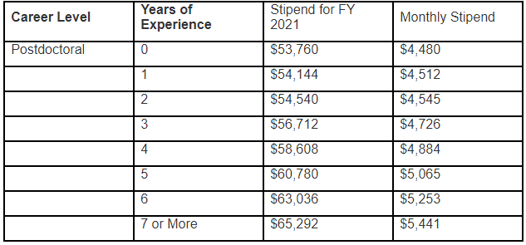
 |  | 12 | 0.00% |  |  | $0 | $- | $- | $- |  | https://grad.uw.edu/wp-content/uploads/2020-21-TA-RA-SA_salary_chart.pdf
 |  | 12 | 0.00% |  |  | $0 | $- | $- | $- |  | Academic Level (Half-Time (50% FTE) Monthly Rates) |  | 7/1/2020- | 7/1/2021-
 |  | 12 | 0.00% |  |  | $0 | $- | $- | $- |  |  |  | 06/30/21 | 06/30/22
 |  | 12 | 0.00% |  |  | $0 | $- | $- | $- |  | RA, 01-40 (Entering Program) |  | 2,436 | 2,509
 |  | 12 | 0.00% |  |  | $0 | $- | $- | $- |  | PreDoc RA I, 01-40 (Masters Completed) |  | 2,619 | 2,698
 |  | 12 | 0.00% |  |  | $0 | $- | $- | $- |  | PreDoc RA II, 01-40 (Passed General exam) |  | 2,814 | 2,898
 |  | 12 | 0.00% |  |  | $0 | $- | $- | $-
 |  |  |  |  |  |  | $- | $- | $- |  | Fringe Benefit Load Rate |  | https://finance.uw.edu/fr/fringe-benefit-load-rate
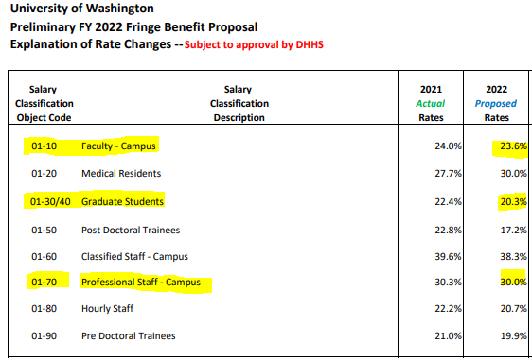
02 CONSULTING SERVICE:
 |  |  |  |  |  |  |  | -
 |  |  |  |  |  |  |  | -
 |  |  |  |  |  |  |  | - | -
03 OTHER EXPENSES (Facilities/lab fees; publications, etc.)
 |  |  |  |  |  |  |  | -
 |  |  |  |  |  |  |  | -
 |  |  |  |  |  |  |  | -
 |  |  |  |  |  |  |  | -
 |  |  |  |  |  |  |  | -
 |  |  |  |  |  |  |  | - | -
04 TRAVEL:
 |  |  |  |  |  |  |  | -
 |  |  |  |  |  |  |  | - |  |  | Tuition: Please apply 5% inflation rate
 |  |  |  |  |  |  |  | - |  |  | https://www.washington.edu/opb/tuition-fees/current-tuition-and-fees-dashboards/graduate-tuition-dashboard/
 |  |  |  |  |  |  |  | - | - |  | Academic & Summer Tuition :
05 SUPPLIES/MATERIALS (any single item costs less than $2,000) |  |  |  |  |  |  |  |  |  |  |  |  | ME |  | CivilE / MSE
 |  |  |  |  |  |  |  |  |  |  | Tuition break down |  | Academic Q | Summer Q | Academic Q | Summer Q
 |  |  |  |  |  |  |  |  |  |  | Operating fee (10-18 credits): |  | 6,031 | 1,777 | 6,031 | 1,732
 |  |  |  |  |  |  |  |  |  |  | Building Fee: |  | 187 |  | 187
 |  |  |  |  |  |  |  |  |  |  | Tech fee |  | 38 | 11 | 38 | 11
 |  |  |  |  |  |  |  |  |  |  | U-pass fee |  | 86 | 86 | 86 | 86
 |  |  |  |  |  |  |  |  |  |  | TOTAL: |  | 6,342 | 1,874 | 6,342 | 1,829
 |  |  |  |  |  |  |  |  | -
06 EQUIPMENT (equipment over $5,000 per item) |  |  |  |  |  |  |  |  |  |  | IDC rate: Updated by OSP as of 6/20/2016
 |  |  |  |  |  |  |  |  |  |  | On-campus F&A rates |  |  | South Lake Union F&A rates
 |  |  |  |  |  |  |  |  |  |  | 7/01/18-6/30/20 | 55.5% |  | 7/01/19-6/30/20 | 76.5%
 |  |  |  |  |  |  |  |  | -
08 Tution (Student operating fees) 5% inflation |  |  | Quaterly | # of Qtrs | # of RAs |  |  |  |  |  | ME Recharge Center Rates effective 7/1/2020
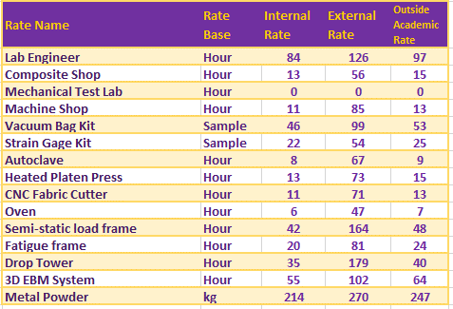
Academic year fees (A, W, and Spring) |  |  | 6,659.10 |  |  |  |  | $-
Summer tuition fee (2 credits) |  |  | 1,967.54 |  |  |  |  | $- | 0
SUBTOTAL DIRECT COSTS FOR INITIAL BUDGET PERIOD |  |  |  |  |  |  |  |  | -
 | Subcontract Direct Costs :
 | Subcontract Direct Costs :
SUBTOTAL WITH SUBCONTRACT DIRECT COSTS FOR INITIAL BUDGET PERIOD |  |  |  |  |  |  |  |  | -
 | Subcontract Indirect Costs
 | Subcontract Indirect Costs
TOTAL DIRECT COSTS FOR INITIAL BUDGET PERIOD |  |  |  |  |  |  |  |  | -
 | MTDC Base |  |  |  |  |  |  | - |  | MTDC : if there is a subcontract add $25k on MTDC on YR1
 | F&A Rate | 55.5% |  |  |  |  |  | -
TOTAL COSTS FOR INITIAL BUDGET PERIOD |  |  |  |  |  |  |  |  | -

